0.AME Concepts
SESSION
SESSION
 |  |  | AZURE MOBILE ENGAGEMENT CONCEPTS
 |  |  |  |  |  |  |  |  |  |  |  |  |  | AZURE MOBILE ENGAGEMENT DEFAULT PUSH NOTIFICATION
START SESSION |  |  |  |  |  |  |  |  |  |  |  | END SESSION

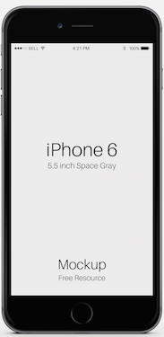
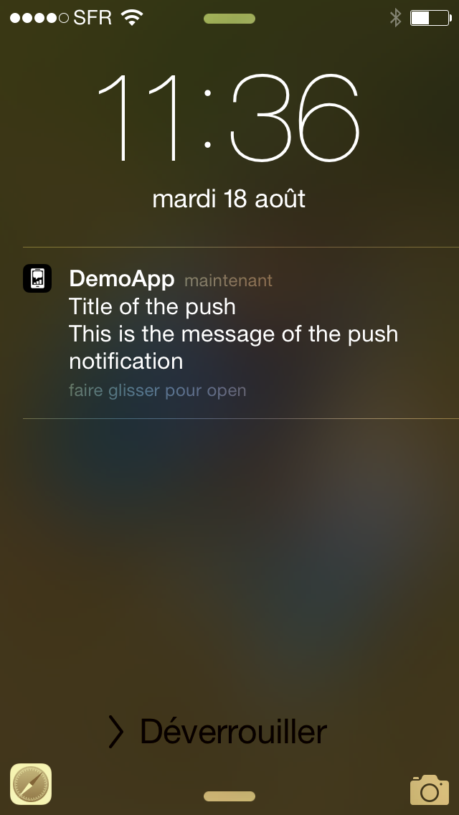
 |  |  |  |  |  |  |  |  |  |  |  |  |  |  | IOS | ANDROID | Windows Phone
 | Every session has a start and an end. During the session, users can navigate through many screens.
 | Azure Mobile Engagement tracks sessions for you.

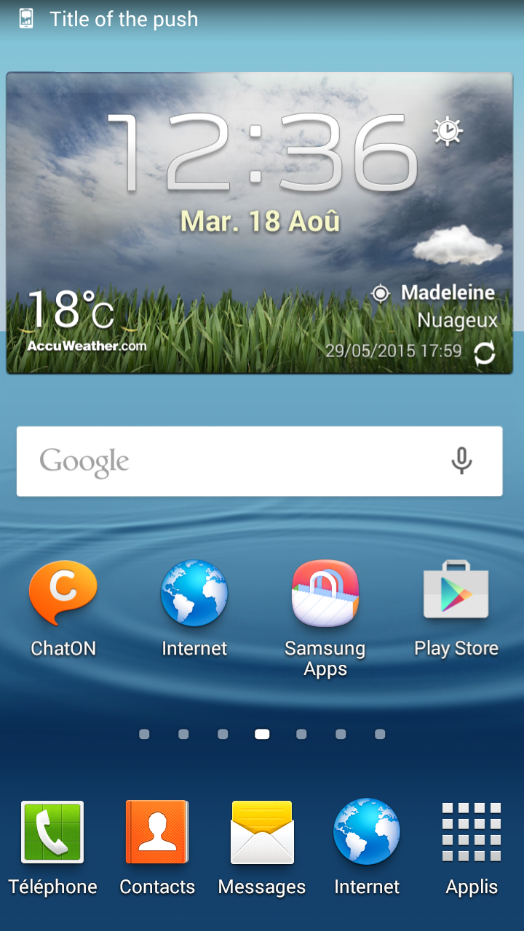
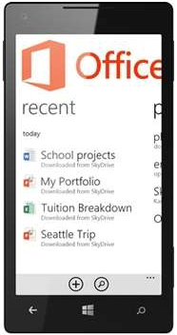
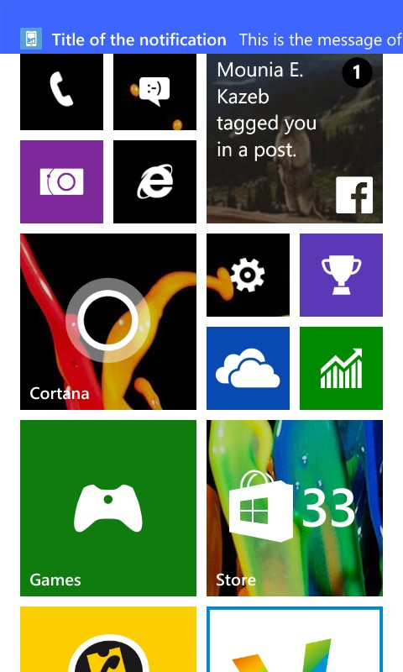
 | Each screen should be a tagged ACTIVITY. When an ACTIVITY is tagged, it will appear in the analitycs.

 |  |  |  |  |  |  |  |  |  |  | ACTIVITIES
Splash
Screen
Loading
Screen
Article
Screen
Product
Screen
Purchase
Screen
HOME

 |  |  |  |  |  |  |  |  |  |  |  |  | Push notification System Only
 | ACTIVITY 1 | ACTIVITY 2 |  | ACTIVITY 3 |  | ACTIVITY 4 |  | ACTIVITY 5 |  | ACTIVITY 6

 | During a Session, an application may encounter and handle ERRORs which do not crash the app.
 | When an ERROR is tagged, it will appear in the analytics.


Download
Failed
Video
Error
 |  |  |  |  |  |  |  |  |  |  | ERRORS
Error or
Exception
Handled

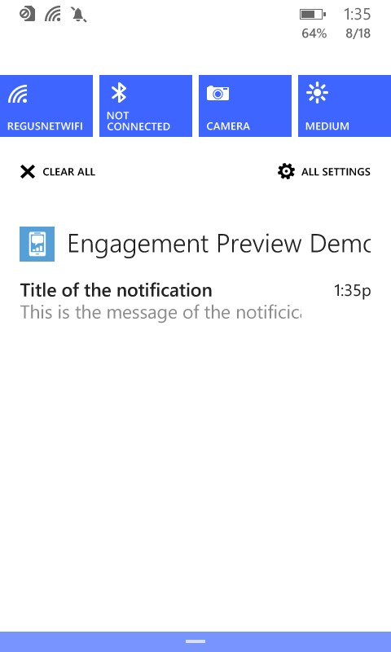
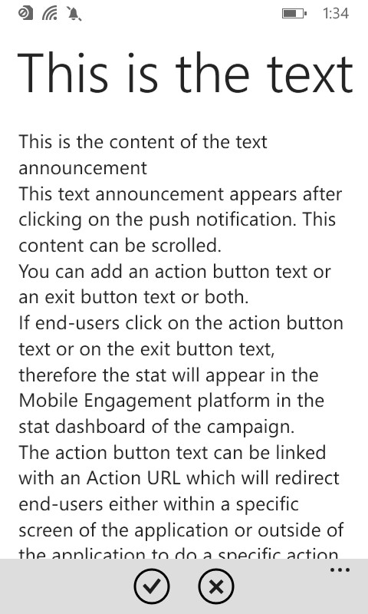
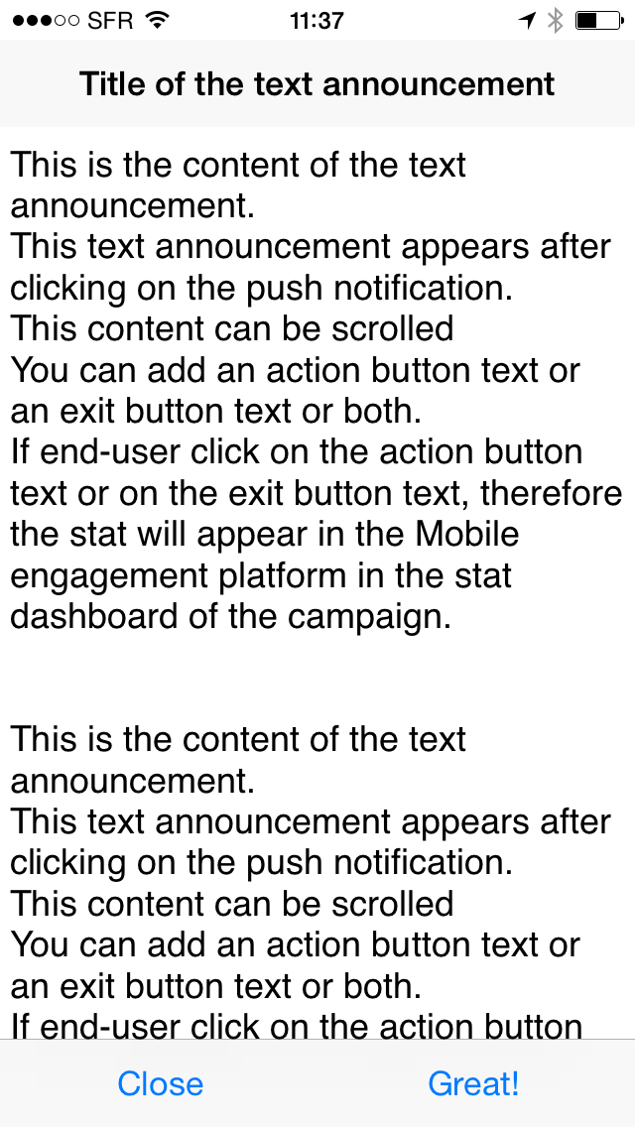
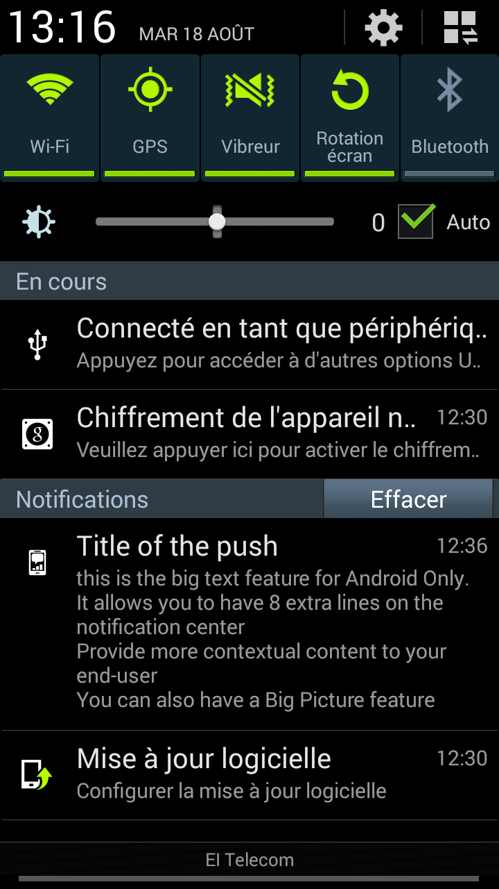
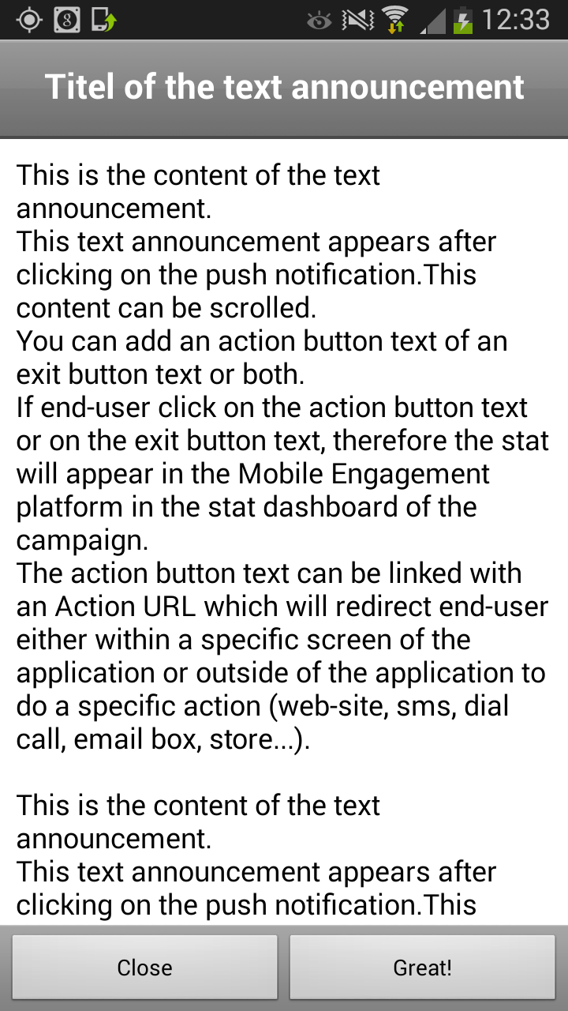

 | During a Session, an application handles EVENTs which describes an action by the user.
 | When an EVENT is tagged, it will appear in the analytics.
 |  |  |  |  |  |  |  |  |  |  |  |  | Push notification System Text announcement
 |  |  |  |  |  |  |  |  |  |  | EVENTS

Click to Facebook
Share
Click to Validate Action
Click to listen to music

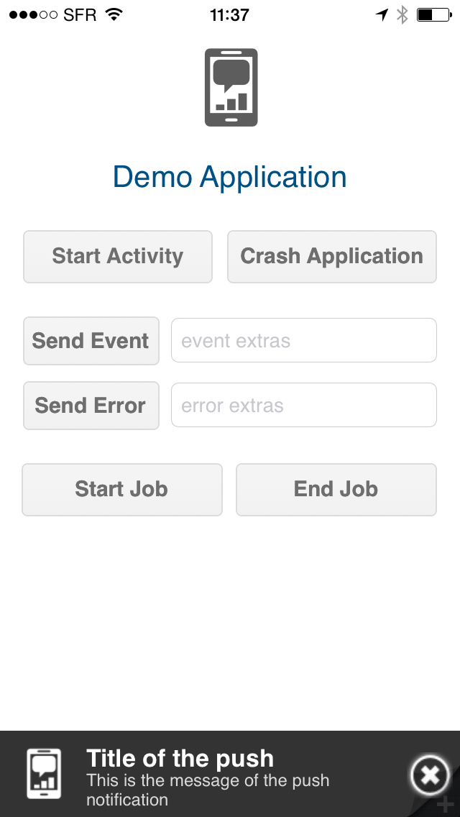
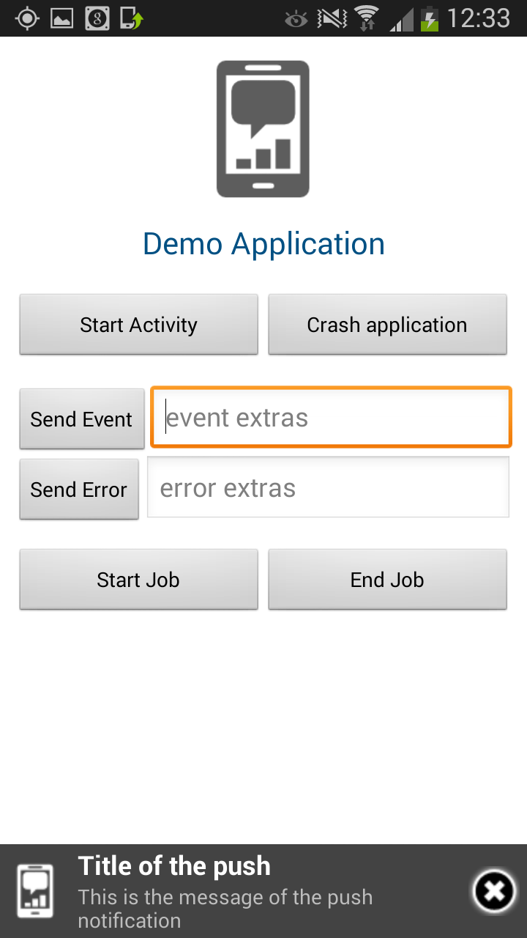
 | During a Session, an application may tag a JOB, which is an action that has a duration typically spanning over several activities.
 | When an JOB is tagged, it will appear in the analytics. If a Job has many possible states, JOB EVENTs may be used to tag each.
 |  |  |  |  |  |  |  |  |  |  | JOBS
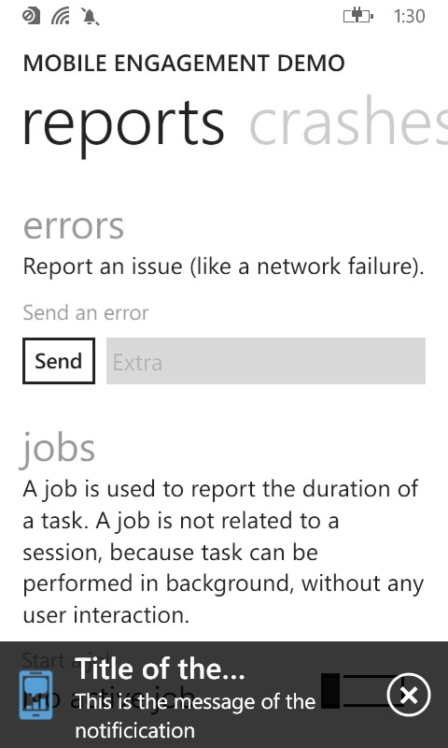

Video
Launch
Select
Product
Purchase
Info
Purchase
Validation
Video
End

 |  |  |  |  |  |  |  |  |  |  |  |  | Push notification in-app with text announcement

 | During a Session, information about the user and device can be tagged as APP-INFO.
 | When APP-INFO is tagged, it appears in the Audience of the Reach Section and in the Segment Section of the Mobile Engagement Portal.

 |  |  |  |  |  |  |  |  |  |  | APP-INFOS
Membership
Information
Subscription
Information
User id
Genre
Login

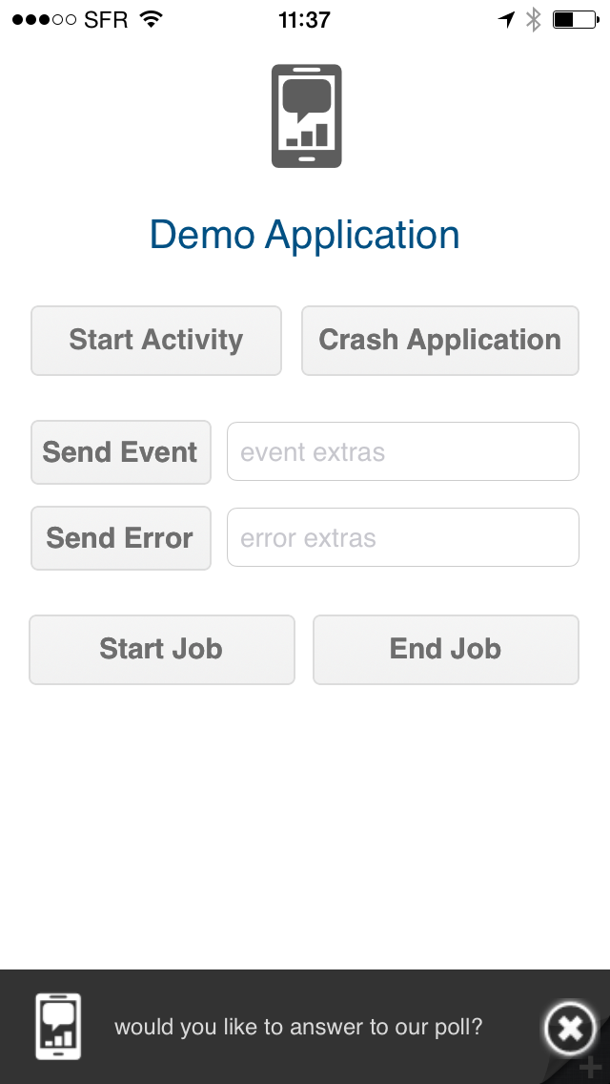
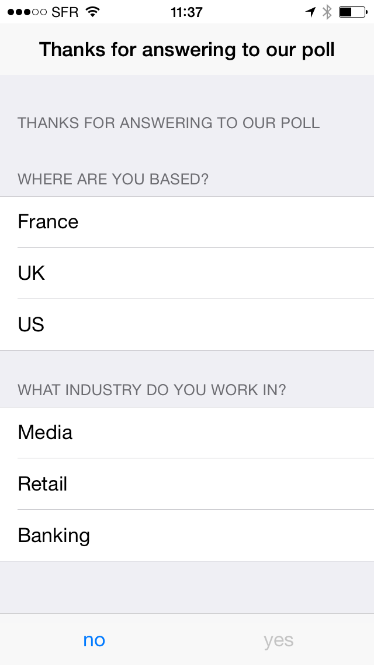
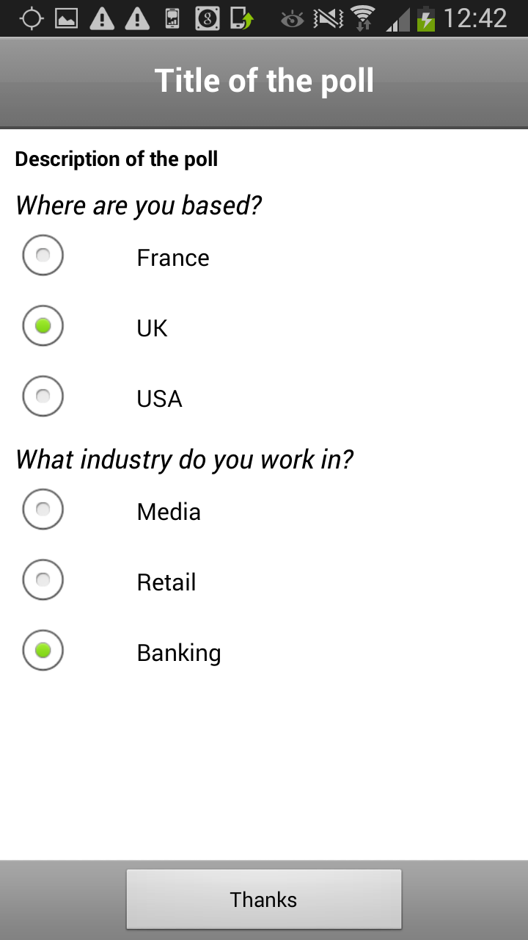
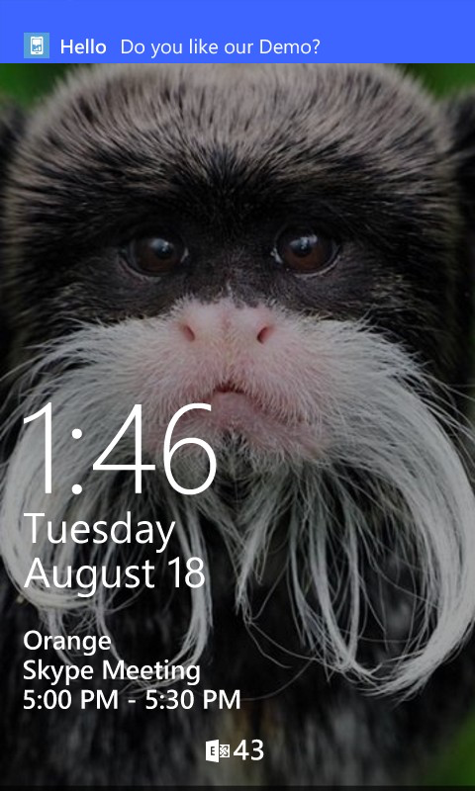
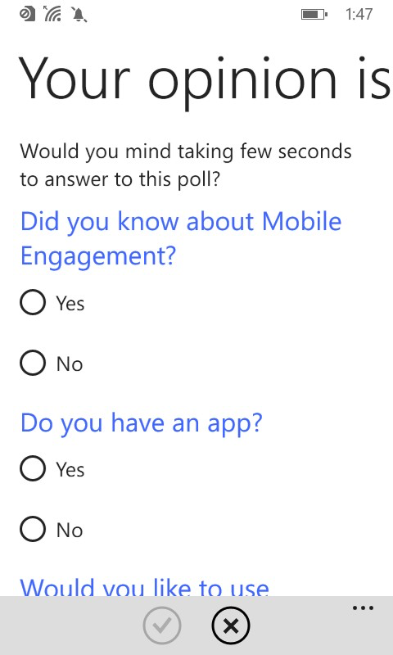

 | During a Session, an application may crash. |  |  |  |  |  |  |  |  |  | CRASHES
 | CRASHES are automatically collected in the Crashes section of Analytics. User Path and crash details, including Stack Traces, are provided.

 |  |  |  |  |  |  |  |  |  |  |  |  | Push notification Poll

BUG
CRASH/End Session
HOME

 | Naming restrictions for Azure Mobile Engagement tags

 | Type | App info format |  | Extra info name | Extra info format | Activity | Error | Event | App Info | JOB | Session

 | alphanumeric
 | Space
 | String | string(xxxxx) |  |  | string(xxxxx)
 | Integer | 1234456 |  |  | 1234456
 | Boolean | (true,false) |  |  | (true,false)
 | Date | (yyyy-MM-dd) |  |  | (yyyy-MM-dd)
 | Extra info | N/A |  | N/A | N/A

